Vd1
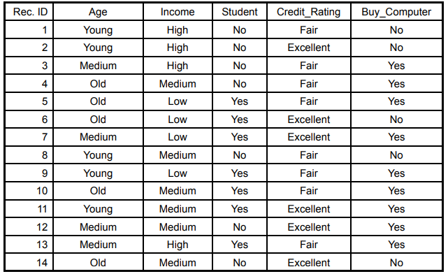
 |  |  |  |  |  | P(Y) = | 0.643
 |  |  |  |  |  | P(N) = | 0.357
 |  |  |  |  |  | P(Age=Young|Y) = | 0.222
 |  |  |  |  |  | P(Age=Young|N) = | 0.600
 |  |  |  |  |  | P(Income=Medium|Y) = | 0.444
 |  |  |  |  |  | P(Income=Medium|N) = | 0.400
 |  |  |  |  |  | P(Student=Yes|Y) = | 0.667
 |  |  |  |  |  | P(Student=Yes|N) = | 0.200
 |  |  |  |  |  | P(Credit Rating=Fair|Y) = | 0.667
 |  |  |  |  |  | P(Credit Rating=Fair|N) = | 0.400
 |  |  |  |  |  | P(ID15 | Y) = | 0.044
 |  |  |  |  |  | P(ID15 | N) = | 0.019
 |  |  |  |  |  | P(Y | ID15) = P(ID15 | Y)*P(Y) = | 0.028
 |  |  |  |  |  | P(N | ID15) = P(ID15 | N)*P(N) = | 0.007

15 | Young | Medium | Yes | Fair | Yes

